gpio
gpio configuration
Junpu.xu@foxmail.com
version V0.1
date 2019_05_20
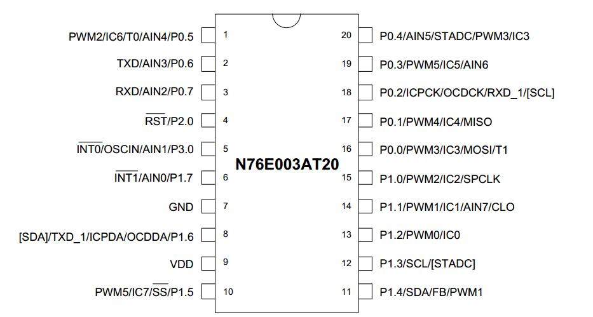

 | Pin# | function | description | configuration | description | configuration | remark
 |  |  | EMERGENCY_LAMP_SINGLE_BATTERY |  | BT_MESH_FEATURE_IN
 | 1 | P0.5 | Key_Manual_Test | Quasi_Mode | Reset_BT | PushPull_Mode
 | 2 | P0.6 | TxD | PushPull_Mode | TxD | PushPull_Mode
 | 3 | P0.7 | RxD | Quasi_Mode | RxD | Quasi_Mode
 | 4 | P2.0 | NRST |  | NRST
 | 5 | P3.0 |  |  | SW_Detect
 | 6 | P1.7 |  |  | CHRG_EN
 | 7 | GND
 | 8 | P1.6 | ICE_DAT |  | ICE_DAT
 | 9 | VDD
 | 10 | P1.5 | LAMP_CTR | PushPull_Mode | BT_STAT | PushPull_Mode
 | 11 | P1.4 | LAMP_EN | PushPull_Mode | BT_PWRC | PushPull_Mode
 | 12 | P1.3 | Key_Auto_Test | Quasi_Mode | CHRG_Status | Quasi_Mode
 | 13 | P1.2 |  |  | POWER_DET | Quasi_Mode
 | 14 | P1.1 | CHG_DET | Quasi_Mode | KEY_AUTO_Manual | Input_Mode
 | 15 | P1.0 | CHRG_EN | PushPull_Mode | LAMP_CTR | PushPull_Mode
 | 16 | P0.0 | LED_GREEN | PushPull_Mode | LED_GREEN | PushPull_Mode
 | 17 | P0.1 | LED_RED | PushPull_Mode | LED_RED | PushPull_Mode
 | 18 | ICE_CLK
 | 19 | P0.3 | MCU_VBAT | Input_Mode | MCU_VLAMP | Input_Mode
 | 20 | P0.4 | MCU_VLAMP | Input_Mode | MCU_VBAT | Input_Mode

Clock & timmers
Clock & timmer setting
Junpu.xu@foxmail.com
version V0.1
date 2019_05_20
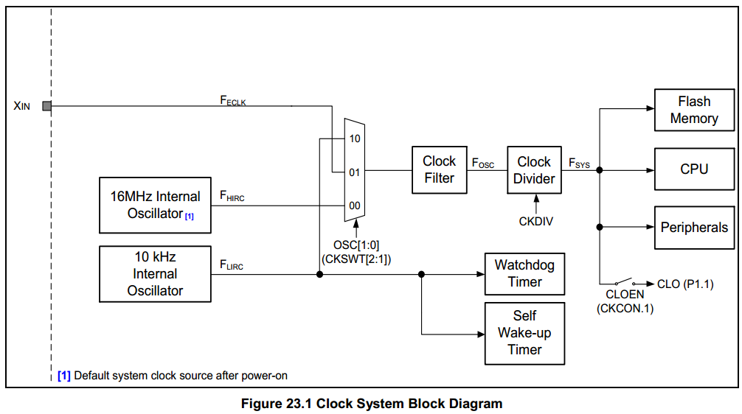

 | HIRC | 16 | Mhz
 | CKDIV | 0
 | System_clock (F_sys) | 16 | Mhz

 | CPU_clock(f_CPU) | 16 | Mhz

 | ADC clock DIV | 8
 | ADC clock | 2 | Mhz

Timer2 setting(for real-time clock,500mS)
 | T2DIV | 256
 | Timer2_clock | 62.5 | Khz
 | Timer2 auto reload value | 34286
 | TIM1 interrupt frequency | 2 | Hz
 | TIM1 ch1/ch2/ch3 in PWM mode???

Timer0 setting (system delay)

TIM1 setting (working as system clock,system clock_tips,1mS)
 | Pre_scaller | 12
 | Timer1_clock | 1333.3333333 | Khz
 | Timer1 reload value | 64203
 | TIM4 interrupt frequency | 1000.2500625 | Hz

Timer3 setting(for UART0 Baud rate)

Key & switch ADC detect
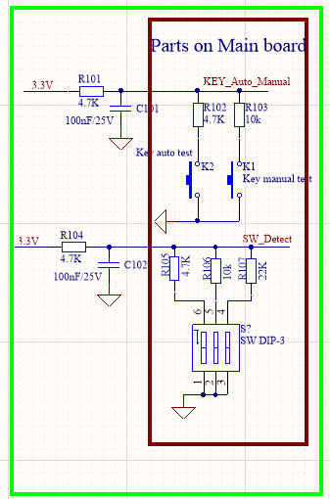

Key_Auto_Manual
 | K1 (10K) | K2 (4.7K) | Voltage
 | OFF | OFF | 3.3
 | ON | OFF | 2.24
 | OFF | ON | 1.65
 | ON | ON | 1.34

SW_DET
 | S1 (4.7K) | S2 (10K) | S3 (22K) | Voltage | Ground Nr
 | OFF | OFF | OFF | 3.3 | 0
 | OFF | OFF | ON | 2.72 | 1
 | OFF | ON | OFF | 2.24 | 2
 | OFF | ON | ON | 1.96 | 3
 | ON | OFF | OFF | 1.65 | 4
 | ON | OFF | ON | 1.49 | 5
 | ON | ON | OFF | 1.34 | 6
 | ON | ON | ON | 1.23 | 7

Clock & timmers (2)
Clock & timmer setting
Junpu.xu@foxmail.com
version V0.1
date 2019_05_20
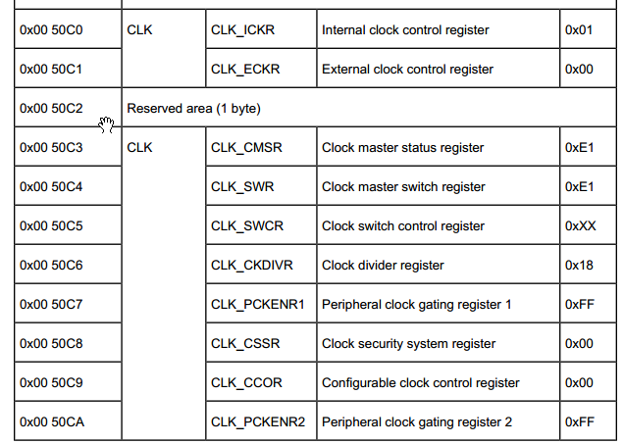

 |  |  |  | CLK_SOURCE_HSE | high-speed external crystal

 |  |  |  | CLK_PRESCALER_HSIDIV1 | prescaller = 1

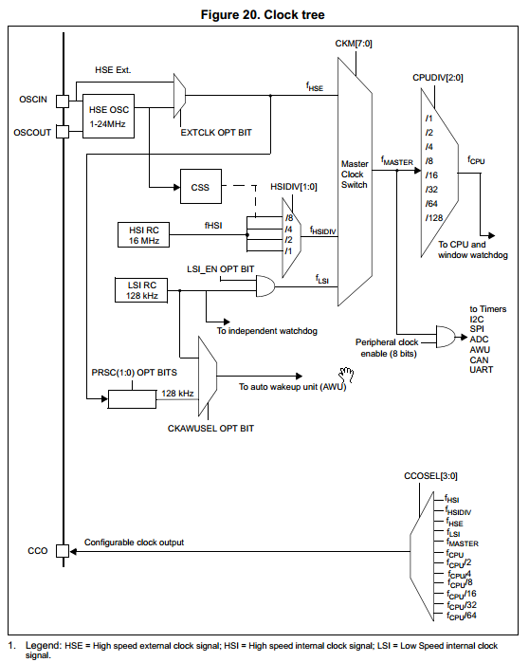

 | HSE_value | 8 | Mhz
 | f_HSE | 8 | Mhz
 | Master_clock (f_master) | 8 | Mhz

 | CPU_clock(f_CPU) | 8 | Mhz

 | ADC clock DIV | 8
 | ADC clock | 1 | Mhz

TIM1 setting(for real-time clock)
 | Pre_scaller | 80
 | TIM1_clock | 100 | Khz
 | TIM1 auto reload value | 49999
 | TIM1 interrupt frequency | 2 | Hz
 | TIM1 ch1/ch2/ch3 in PWM mode???

TIM4 setting (working as system clock,system clock_tips)
 | Pre_scaller | 32
 | TIM4_clock | 250 | Khz
 | TIM4 auto reload value | 249
 | TIM4 interrupt frequency | 1 | Khz

Real-time clock tolerance:(Max allowed 75 seconds)
 | Crystal oscillator tolerance | 20 | PPM
 | Tolerance time each week | 12.096 | Seconds

